GRN Attached Photo
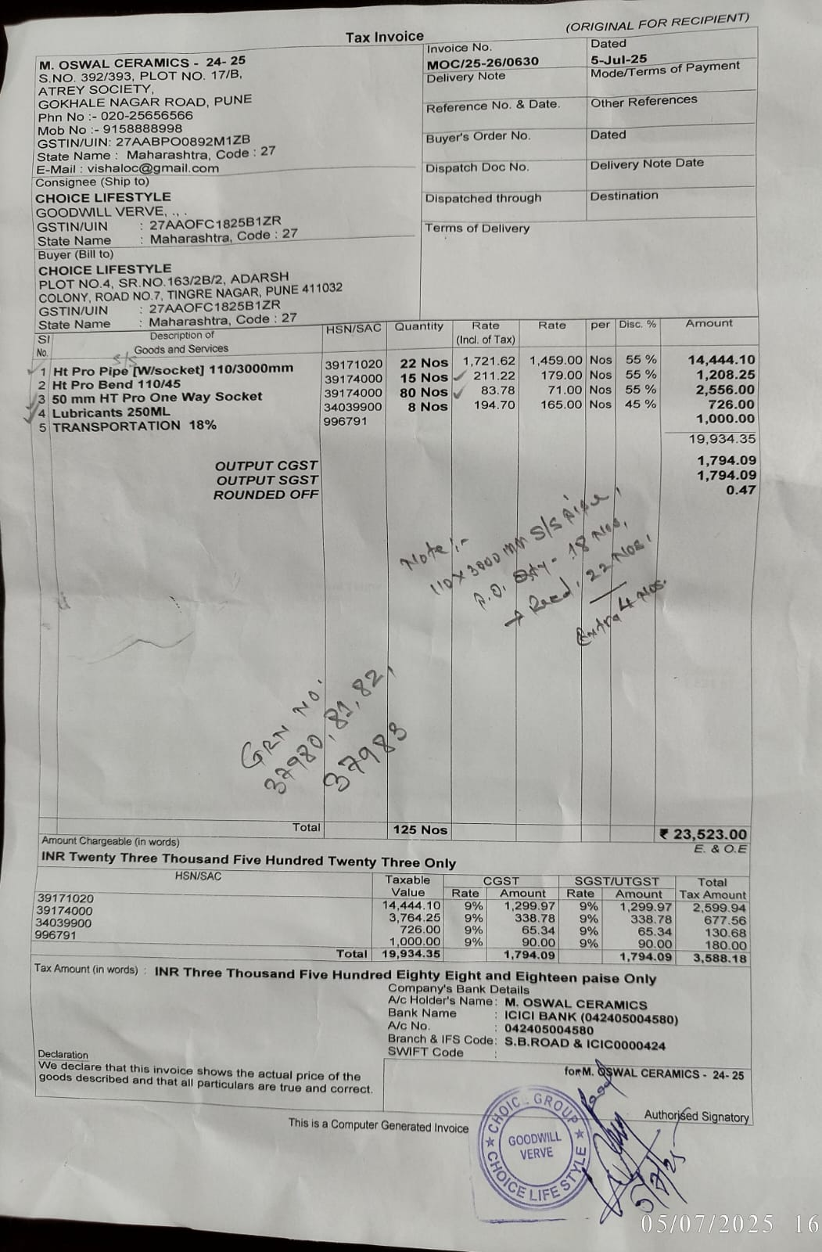
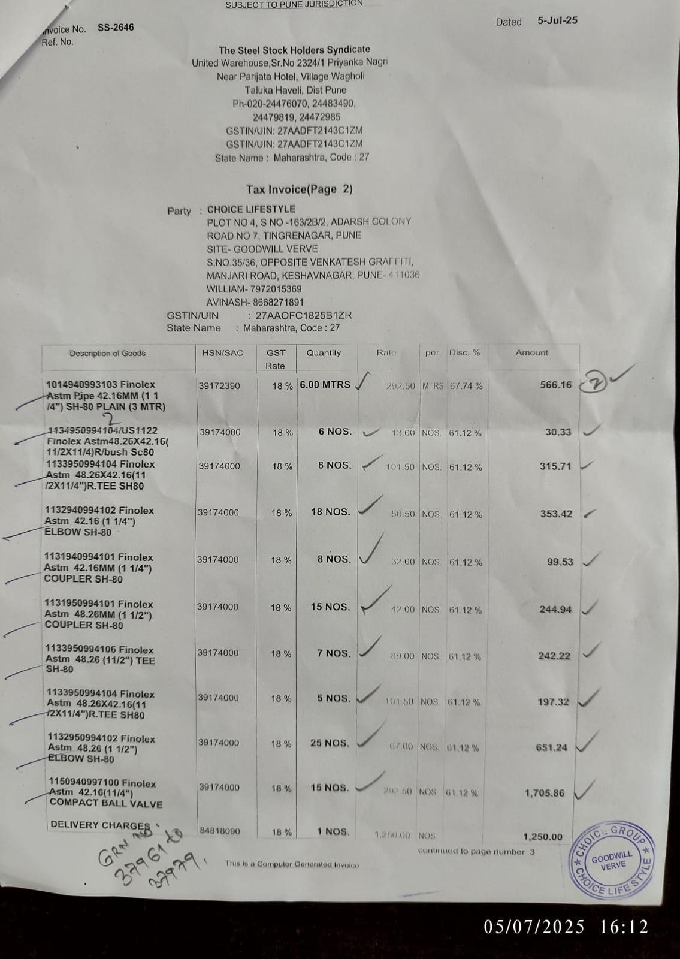
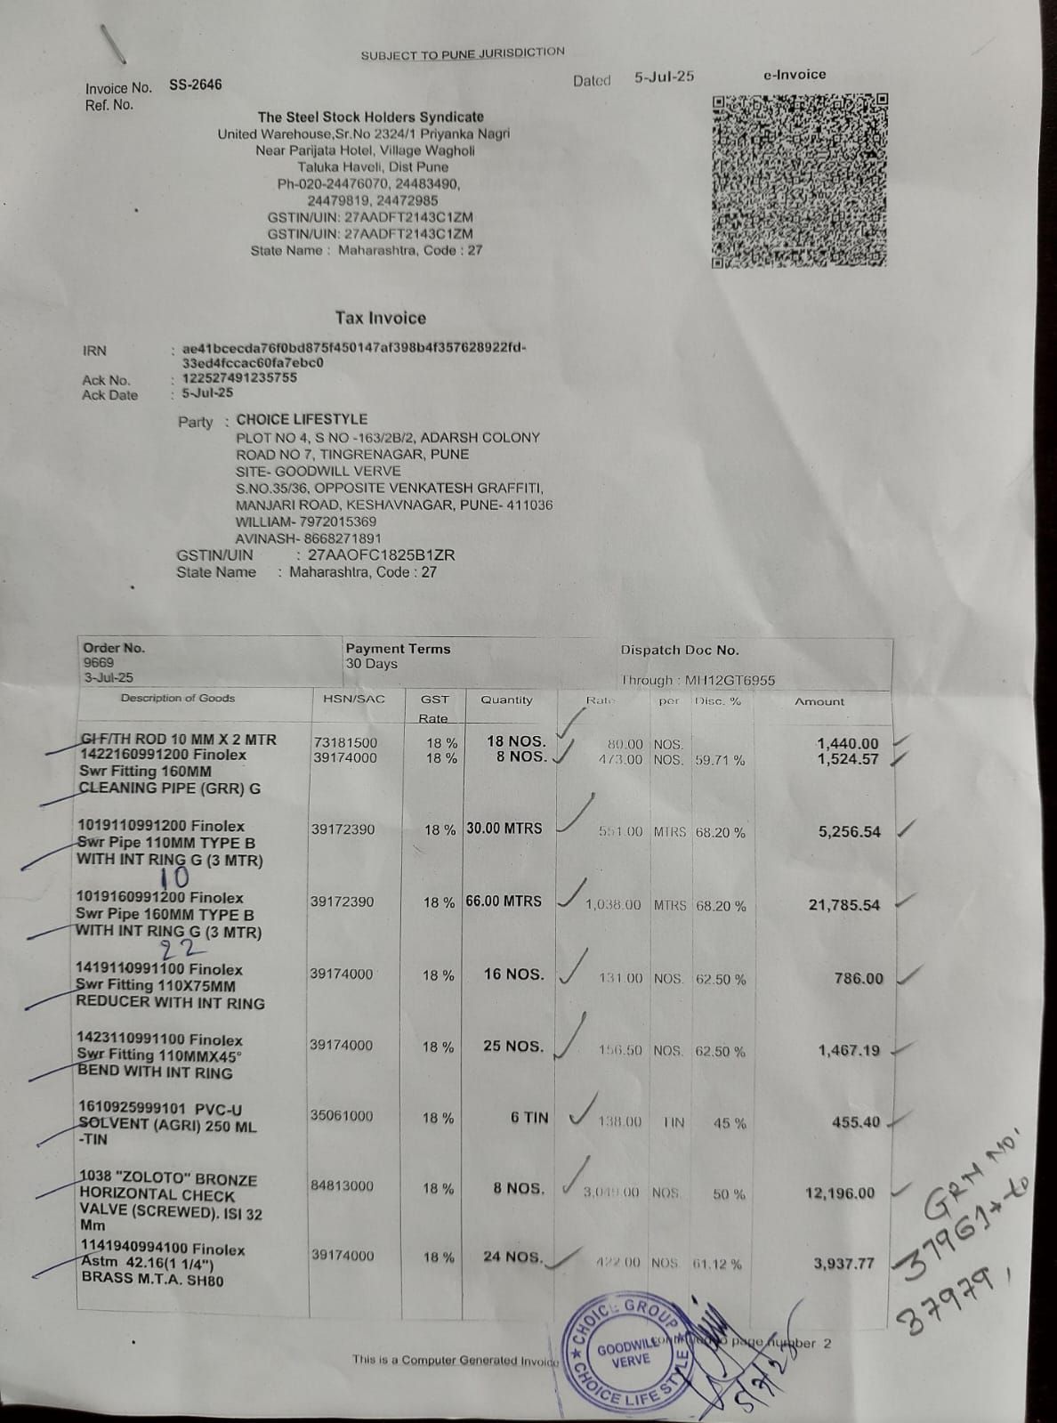
Material Wise GRN Report
From 05-07-2025 To 05-07-2025
Page 1 of 1
Total Records: 23 Records 1 to 23
Project_Name | Material_Category1 | Material_Name | Brand | GRN_No | GRN_Date | GRNType | Supplier_Issue_Store | Good_Qty | Unit_Name | Received_Store | Amount | PO_SrNo | PO_Qty | Rate | Transport_Others | Challan_No | Challan_Date | Bill_No | Bill_date | Billing_Status | VehicleNo | GateReg_No | GateReg date | GateReg Time | GateReg Out Date | GateReg Out Time | Po_Date | GRN_Remark | GRN_Status | Material_Category2 | GTN_SrNo | Created_BY | Challan_Qty
GOODWILL VERVE | HULIOT PLUMBING MATERIAL | Huliot Single Socket Pipe: 110mmØ x 3Mtr(L) |  | 37983 | 05-Jul-2025 | Purchase | M OSWAL CERAMICS | 18.0000 | No. | Goodwill Verve | 11817.90 | 9668 | 18.0000 | 656.55 | 0.00 | MOC/25-26/0630 | 05-Jul-2025 | 0 |  | Unbilled |  |  | 05-Jul-2025 | 3:53 PM | 05-Jul-2025 | 3:53 PM | 03-Jul-2025 | PO Qty. was 18 Nos. and received 22 Nos. 04 Nos. should be return to dendor | Approved |  | 0 | Verve | 22
GOODWILL VERVE | Plumbing work | Huliot Socket 50mmØ |  | 37982 | 05-Jul-2025 | Purchase | M OSWAL CERAMICS | 80.0000 | No. | Goodwill Verve | 2340.00 | 9668 | 80.0000 | 29.25 | 0.00 | MOC/25-26/0630 | 05-Jul-2025 | 0 |  | Unbilled |  |  | 05-Jul-2025 | 3:53 PM | 05-Jul-2025 | 3:53 PM | 03-Jul-2025 |  | Approved |  | 0 | Verve | 80
GOODWILL VERVE | Plumbing work | Huliot Lubricant (250ml) |  | 37981 | 05-Jul-2025 | Purchase | M OSWAL CERAMICS | 8.0000 | No. | Goodwill Verve | 726.00 | 9668 | 8.0000 | 90.75 | 0.00 | MOC/25-26/0630 | 05-Jul-2025 | 0 |  | Unbilled |  |  | 05-Jul-2025 | 3:53 PM | 05-Jul-2025 | 3:53 PM | 03-Jul-2025 |  | Approved |  | 0 | Verve | 8
GOODWILL VERVE | Plumbing work | Huliot 45° Bend 110mmØ |  | 37980 | 05-Jul-2025 | Purchase | M OSWAL CERAMICS | 15.0000 | No. | Goodwill Verve | 1046.25 | 9668 | 80.0000 | 69.75 | 0.00 | MOC/25-26/0630 | 05-Jul-2025 | 0 |  | Unbilled |  |  | 05-Jul-2025 | 3:53 PM | 05-Jul-2025 | 3:53 PM | 03-Jul-2025 |  | Approved |  | 0 | Verve | 15
GOODWILL VERVE | CG-UPVC Plumbing Material | White UPVC Ball Valve 32 mm.(1 1/4") SCH-80 |  | 37979 | 05-Jul-2025 | Purchase | THE STEEL STOCK HOLDERS SYNDICATE | 15.0000 | No. | Goodwill Verve | 1705.86 | 9669 | 15.0000 | 113.72 | 0.00 | SS-2646 | 05-Jul-2025 | 0 |  | Unbilled |  |  | 05-Jul-2025 | 3:34 PM | 05-Jul-2025 | 3:34 PM | 03-Jul-2025 |  | Approved |  | 0 | Verve | 15
GOODWILL VERVE | CG-UPVC Plumbing Material | White UPVC 90° Elbow 40mm (11/2") SCH-80 |  | 37978 | 05-Jul-2025 | Purchase | THE STEEL STOCK HOLDERS SYNDICATE | 25.0000 | No. | Goodwill Verve | 651.24 | 9669 | 25.0000 | 26.05 | 0.00 | SS-2646 | 05-Jul-2025 | 0 |  | Unbilled |  |  | 05-Jul-2025 | 3:34 PM | 05-Jul-2025 | 3:34 PM | 03-Jul-2025 |  | Approved |  | 0 | Verve | 25
GOODWILL VERVE | Plumbing work | White UPVC 90° Elbow 32mm (11/4") SCH-80 |  | 37977 | 05-Jul-2025 | Purchase | THE STEEL STOCK HOLDERS SYNDICATE | 18.0000 | No. | Goodwill Verve | 353.42 | 9669 | 18.0000 | 19.63 | 0.00 | SS-2646 | 05-Jul-2025 | 0 |  | Unbilled |  |  | 05-Jul-2025 | 3:34 PM | 05-Jul-2025 | 3:34 PM | 03-Jul-2025 |  | Approved |  | 0 | Verve | 18
GOODWILL VERVE | CG-UPVC Plumbing Material | UPVC Reducing Tee- 40mm x32mm (1 1/2" x 1 1/4" ) |  | 37976 | 05-Jul-2025 | Purchase | THE STEEL STOCK HOLDERS SYNDICATE | 5.0000 | Nos | Goodwill Verve | 197.32 | 9669 | 5.0000 | 39.46 | 0.00 | SS-2646 | 05-Jul-2025 | 0 |  | Unbilled |  |  | 05-Jul-2025 | 3:34 PM | 05-Jul-2025 | 3:34 PM | 03-Jul-2025 |  | Approved |  | 0 | Verve | 5
GOODWILL VERVE | Plumbing work | UPVC Reducer Tee- 40mm x 32mm (1 1/2'' x 1 1/4'') |  | 37975 | 05-Jul-2025 | Purchase | THE STEEL STOCK HOLDERS SYNDICATE | 8.0000 | Nos | Goodwill Verve | 315.71 | 9669 | 8.0000 | 39.46 | 0.00 | SS-2646 | 05-Jul-2025 | 0 |  | Unbilled |  |  | 05-Jul-2025 | 3:34 PM | 05-Jul-2025 | 3:34 PM | 03-Jul-2025 |  | Approved |  | 0 | Verve | 8
GOODWILL VERVE | CG-UPVC Plumbing Material | UPVC Reducer Bushing- 40mm x 32mm (1 1/2" x 1 1/4" ) |  | 37974 | 05-Jul-2025 | Purchase | THE STEEL STOCK HOLDERS SYNDICATE | 6.0000 | No. | Goodwill Verve | 30.33 | 9669 | 6.0000 | 5.05 | 0.00 | SS-2646 | 05-Jul-2025 | 0 |  | Unbilled |  |  | 05-Jul-2025 | 3:34 PM | 05-Jul-2025 | 3:34 PM | 03-Jul-2025 |  | Approved |  | 0 | Verve | 6
GOODWILL VERVE | Plumbing work | UPVC Pipe (Nos)- 32mm (1 1/4") |  | 37973 | 05-Jul-2025 | Purchase | THE STEEL STOCK HOLDERS SYNDICATE | 2.0000 | Nos | Goodwill Verve | 566.16 | 9669 | 2.0000 | 283.08 | 0.00 | SS-2646 | 05-Jul-2025 | 0 |  | Unbilled |  |  | 05-Jul-2025 | 3:34 PM | 05-Jul-2025 | 3:34 PM | 03-Jul-2025 |  | Approved |  | 0 | Verve | 2
GOODWILL VERVE | CG-UPVC Plumbing Material | UPVC Equal Tee- 40mm (1 1/2") |  | 37972 | 05-Jul-2025 | Purchase | THE STEEL STOCK HOLDERS SYNDICATE | 7.0000 | No. | Goodwill Verve | 242.22 | 9669 | 7.0000 | 34.60 | 0.00 | SS-2646 | 05-Jul-2025 | 0 |  | Unbilled |  |  | 05-Jul-2025 | 3:34 PM | 05-Jul-2025 | 3:34 PM | 03-Jul-2025 |  | Approved |  | 0 | Verve | 7
GOODWILL VERVE | CG-UPVC Plumbing Material | UPVC Coupler- 40mm (1 1/2") |  | 37971 | 05-Jul-2025 | Purchase | THE STEEL STOCK HOLDERS SYNDICATE | 15.0000 | Nos | Goodwill Verve | 244.94 | 9669 | 15.0000 | 16.33 | 0.00 | SS-2646 | 05-Jul-2025 | 0 |  | Unbilled |  |  | 05-Jul-2025 | 3:34 PM | 05-Jul-2025 | 3:34 PM | 03-Jul-2025 |  | Approved |  | 0 | Verve | 15
GOODWILL VERVE | CG-UPVC Plumbing Material | UPVC Coupler- 32mm (1 1/4") |  | 37970 | 05-Jul-2025 | Purchase | THE STEEL STOCK HOLDERS SYNDICATE | 8.0000 | Nos | Goodwill Verve | 99.53 | 9669 | 8.0000 | 12.44 | 0.00 | SS-2646 | 05-Jul-2025 | 0 |  | Unbilled |  |  | 05-Jul-2025 | 3:34 PM | 05-Jul-2025 | 3:34 PM | 03-Jul-2025 |  | Approved |  | 0 | Verve | 8
GOODWILL VERVE | CG-UPVC Plumbing Material | UPVC Brass (MTA) Male Threaded Adapter- 32mm (1 1/4") |  | 37969 | 05-Jul-2025 | Purchase | THE STEEL STOCK HOLDERS SYNDICATE | 24.0000 | No. | Goodwill Verve | 3937.77 | 9669 | 24.0000 | 164.07 | 0.00 | SS-2646 | 05-Jul-2025 | 0 |  | Unbilled |  |  | 05-Jul-2025 | 3:34 PM | 05-Jul-2025 | 3:34 PM | 03-Jul-2025 |  | Approved |  | 0 | Verve | 24
GOODWILL VERVE | PVC PLUMBING MATERIAL | PVC Solution (237ml) |  | 37968 | 05-Jul-2025 | Purchase | THE STEEL STOCK HOLDERS SYNDICATE | 6.0000 | No. | Goodwill Verve | 722.70 | 9669 | 6.0000 | 120.45 | 0.00 | SS-2646 | 05-Jul-2025 | 0 |  | Unbilled |  |  | 05-Jul-2025 | 3:34 PM | 05-Jul-2025 | 3:34 PM | 03-Jul-2025 |  | Approved |  | 0 | Verve | 6
GOODWILL VERVE | PVC PLUMBING MATERIAL | PVC Shoe- 110mm |  | 37967 | 05-Jul-2025 | Purchase | THE STEEL STOCK HOLDERS SYNDICATE | 25.0000 | Nos | Goodwill Verve | 1467.19 | 9669 | 25.0000 | 58.69 | 0.00 | SS-2646 | 05-Jul-2025 | 0 |  | Unbilled |  |  | 05-Jul-2025 | 3:34 PM | 05-Jul-2025 | 3:34 PM | 03-Jul-2025 |  | Approved |  | 0 | Verve | 25
GOODWILL VERVE | PVC PLUMBING MATERIAL | PVC Reducer- 110mm x 75mm |  | 37966 | 05-Jul-2025 | Purchase | THE STEEL STOCK HOLDERS SYNDICATE | 16.0000 | No. | Goodwill Verve | 786.00 | 9669 | 16.0000 | 49.13 | 0.00 | SS-2646 | 05-Jul-2025 | 0 |  | Unbilled |  |  | 05-Jul-2025 | 3:34 PM | 05-Jul-2025 | 3:34 PM | 03-Jul-2025 |  | Approved |  | 0 | Verve | 16
GOODWILL VERVE | PVC PLUMBING MATERIAL | PVC PIPE 6" (150mm) 3MTR |  | 37965 | 05-Jul-2025 | Purchase | THE STEEL STOCK HOLDERS SYNDICATE | 66.0000 | Mtrs | Goodwill Verve | 21785.54 | 9669 | 66.0000 | 330.08 | 0.00 | SS-2646 | 05-Jul-2025 | 0 |  | Unbilled |  |  | 05-Jul-2025 | 3:34 PM | 05-Jul-2025 | 3:34 PM | 03-Jul-2025 |  | Approved |  | 0 | Verve | 66
GOODWILL VERVE | PVC PLUMBING MATERIAL | PVC Pipe (Nos)- 110mm |  | 37964 | 05-Jul-2025 | Purchase | THE STEEL STOCK HOLDERS SYNDICATE | 30.0000 | Mtrs | Goodwill Verve | 5256.54 | 9669 | 30.0000 | 175.22 | 0.00 | SS-2646 | 05-Jul-2025 | 0 |  | Unbilled |  |  | 05-Jul-2025 | 3:34 PM | 05-Jul-2025 | 3:34 PM | 03-Jul-2025 |  | Approved |  | 0 | Verve | 30
GOODWILL VERVE | PVC PLUMBING MATERIAL | PVC CLEANING PIPE 6" (160mm) |  | 37963 | 05-Jul-2025 | Purchase | THE STEEL STOCK HOLDERS SYNDICATE | 8.0000 | No. | Goodwill Verve | 1524.57 | 9669 | 8.0000 | 190.57 | 0.00 | SS-2646 | 05-Jul-2025 | 0 |  | Unbilled |  |  | 05-Jul-2025 | 3:34 PM | 05-Jul-2025 | 3:34 PM | 03-Jul-2025 |  | Approved |  | 0 | Verve | 8
GOODWILL VERVE | CG-Hardware Material | GI THREADED ROD 10mm x 2mtr |  | 37962 | 05-Jul-2025 | Purchase | THE STEEL STOCK HOLDERS SYNDICATE | 18.0000 | No. | Goodwill Verve | 1440.00 | 9669 | 18.0000 | 80.00 | 0.00 | SS-2646 | 05-Jul-2025 | 0 |  | Unbilled |  |  | 05-Jul-2025 | 3:34 PM | 05-Jul-2025 | 3:34 PM | 03-Jul-2025 |  | Approved |  | 0 | Verve | 18
GOODWILL VERVE | Plumbing work | Brass NRV- 32mm (11/4") |  | 37961 | 05-Jul-2025 | Purchase | THE STEEL STOCK HOLDERS SYNDICATE | 8.0000 | No. | Goodwill Verve | 12196.00 | 9669 | 8.0000 | 1524.50 | 0.00 | SS-2646 | 05-Jul-2025 | 0 |  | Unbilled |  |  | 05-Jul-2025 | 3:34 PM | 05-Jul-2025 | 3:34 PM | 03-Jul-2025 |  | Approved |  | 0 | Verve | 8

 |  | Huliot Material
 |  |  |  |  |  |  | UPVC Pipes & fittings |  |  |  |  |  |  |  | PVC Pipes and fittings

